Cutlery
Model | Photo Product | Photo Packaging | Piece / Carton | Piece / Pallet | Meas. Master CM | cbm | Weight Master KG | EAN-Code | Stock availabilty | PRICE/UNIT € EXW | Line Price
RL-MB5N |  |  | 10 | 770 | 36*23*31,5 | 0.034 | 9 | 2012111924838 | 12500 | € 3.72 | € 46,500.00
RL-MB5 | 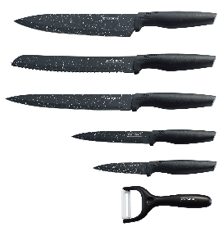 | 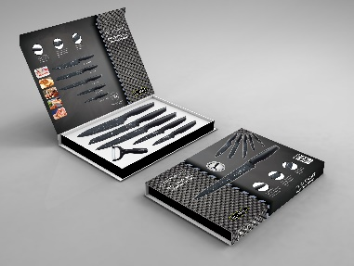 | 10 | 540 | 39*27,5*38 | 0.035 | 12.1 | 2545859687555 | 33275 | € 4.41 | € 146,742.75
RL-MB5 |  |  | 20 | 600 | 39*27,5*38 | 0.035 | 12.1 | 2545859687555 | 1390 | € 4.41 | € 6,129.90
RL-CB5 | 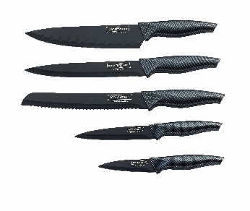 | 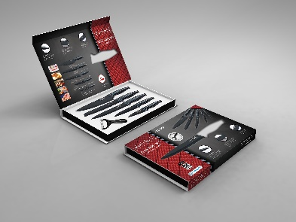 | 10 | 770 | 36*23*31,5 | 0.026 | 9 | 2012111924838 | 35120 | € 5.10 | € 179,112.00
RL-BLK5-W | 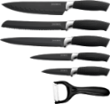 | 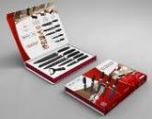 | 10 | 540 | 38*23,5*35,5 | 0.033 | 12 | 5508250112689 | 2140 | € 5.33 | € 11,406.20
NEW-RL-NH5B | 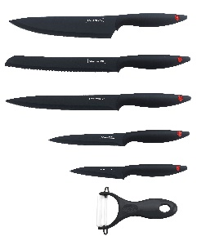 | 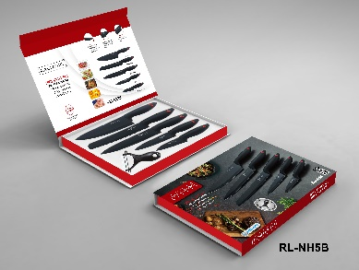 | 10 | 770 | 37,5*23*31,5 | 0.027 | 9 | 7707335856359 | 150 | € 5.56 | € 834.00
NEW-NH5R | 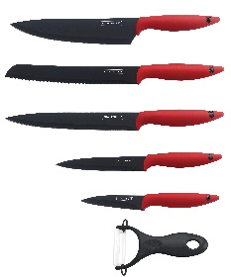 | 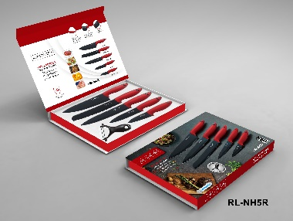 | 10 | 770 | 37,5*23*31,5 | 0.027 | 9 | 7707335856335 | 90 | € 5.56 | € 500.40
RL-BLK6-W | 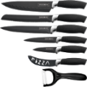 | 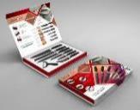 | 10 | 540 | 38,5*27,5*36,5 | 0.039 | 13 | 5508250112672 | 2130 | € 6.01 | € 12,801.30
RL-WHT6-W | 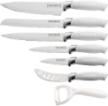 | 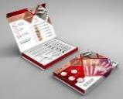 | 10 | 540 | 38,5*27,5*36,5 | 0.039 | 13 | 5508250112702 | 930 | € 6.01 | € 5,589.30
RL-CB6 | 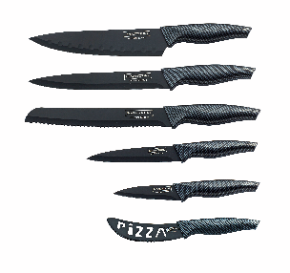 | 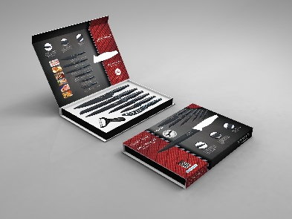 | 10 | 630 | 39*29*38 | 0.037 | 12.9 | 2012111925071 | 2490 | € 6.01 | € 14,964.90
RL-COL7A | 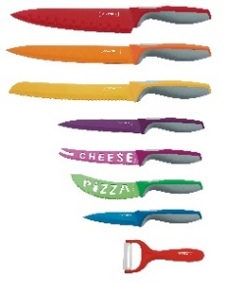 | 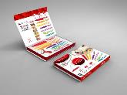 | 10 | 630 | 38,5*29,5*36,5 | 0.041 | 14 | 5407004747163 | 7840 | € 6.60 | € 51,744.00
RL-COL7M | 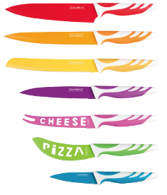 | 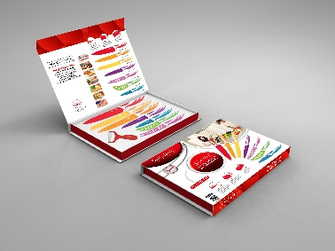 | 10 | 480 | 39*30*38 | 0.041 | 14 | 2102111922504 | 2950 | € 6.60 | € 19,470.00
RL-6MSTR |  |  | 8 | 336 | 36*32*39,5 | 0.046 | 11.5 | 2012111923862 | 1728 | € 10.62 | € 18,351.36
RL-6MSTK |  |  | 8 | 336 | 36*32*39,5 | 0.046 | 11.5 | 2012111923855 | 5376 | € 10.62 | € 57,093.12
RL-KSS750 |  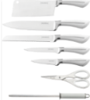 | 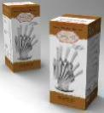 | 6 | 180 | 54,5*37*40 | 0.046 | 13 | 2012111922742 | 960 | € 12.58 | € 12,076.80
Cutlery 25 pcs set
RL-K25LB | 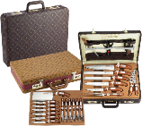 |  | 5 | 125 | 42,50*34,5*46,5 | 0.68 | 19 | 634158797477 | 2165 | € 16.10 | € 34,856.50
 |  |  |  |  |  |  |  |  | 111234 |  | € 618,172.53

